SUS Raw data
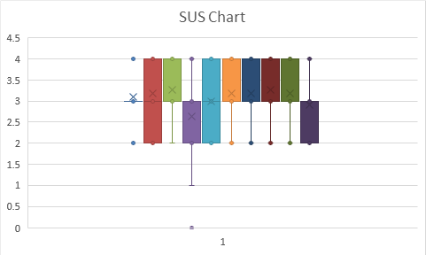
 | SUS Raw Data
 |  | RP 1 | RP 2 | RP 3 | RP 4 | RP 5 | RP 6 | RP 7 | RP 8 | RP 9 | RP 10 | RP 11 | RP 12 | RP 13 | RP 14 | RP 15 | RP 16 | RP 17 | RP 18 | RP 19 | RP 20
1 | I think that I would like to use this system frequently. | 4 | 4 | 3 | 2 | 4 | 3 | 1 | 2 | 2 | 3 | 4
2 | I found the system unnecessarily complex. | 2 | 2 | 4 | 5 | 1 | 2 | 3 | 2 | 2 | 2 | 4
3 | I thought the system was easy to use. | 4 | 5 | 4 | 3 | 5 | 4 | 3 | 3 | 3 | 3 | 5
4 | I think that I would need the support of a technical person to be able to use this system. | 1 | 2 | 3 | 2 | 1 | 1 | 3 | 3 | 1 | 3 | 3
5 | I found the various functions in this system were well integrated. | 4 | 5 | 4 | 4 | 5 | 4 | 4 | 3 | 4 | 4 | 3
6 | I thought there was too much inconsistency in this system. | 1 | 1 | 2 | 3 | 1 | 1 | 3 | 2 | 3 | 1 | 2
7 | I would imagine that most people would learn to use this system very quickly. | 5 | 4 | 4 | 4 | 4 | 4 | 4 | 3 | 4 | 4 | 5
8 | I found the system very cumbersome to use. | 1 | 2 | 3 | 3 | 1 | 1 | 3 | 3 | 3 | 3 | 4
9 | I felt very confident using the system. | 4 | 4 | 3 | 2 | 4 | 5 | 3 | 2 | 3 | 4 | 4
10 | I needed to learn a lot of things before I could get going with this system. | 1 | 3 | 1 | 2 | 1 | 2 | 2 | 1 | 1 | 2 | 2
 |  | 1-2 Yiting |  | 3-4 Young |  | 5-6 ZhiRan |  | Julia |  | 9-10 Yuanbo
 | Total for each respondent
1 | Strongly Disagree
2 | Disagree
3 | Neither Agree nor Disagree
4 | Agree
5 | Strongly Agree

 | Please ensure you only enter the numeric value

 |  | RP 1 | RP 2 | RP 3 | RP 4 | RP 5 | RP 6 | RP 7 | RP 8 | RP 9 | RP 10 | RP 11 | avg
1 | I think that I would like to use this system frequently. | 3 | 3 | 2 | 1 | 3 | 2 | 0 | 1 | 1 | 2 | 3 | 1.909090909
2 | I found the system unnecessarily complex. | 3 | 3 | 1 | 0 | 4 | 3 | 2 | 3 | 3 | 3 | 1 | 2.363636364
3 | I thought the system was easy to use. | 3 | 4 | 3 | 2 | 4 | 3 | 2 | 2 | 2 | 2 | 4 | 2.818181818
4 | I think that I would need the support of a technical person to be able to use this system. | 4 | 3 | 2 | 3 | 4 | 4 | 2 | 2 | 4 | 2 | 2 | 2.909090909
5 | I found the various functions in this system were well integrated. | 3 | 4 | 3 | 3 | 4 | 3 | 3 | 2 | 3 | 3 | 2 | 3
6 | I thought there was too much inconsistency in this system. | 4 | 4 | 3 | 2 | 4 | 4 | 2 | 3 | 2 | 4 | 3 | 3.181818182
7 | I would imagine that most people would learn to use this system very quickly. | 4 | 3 | 3 | 3 | 3 | 3 | 3 | 2 | 3 | 3 | 4 | 3.090909091
8 | I found the system very cumbersome to use. | 4 | 3 | 2 | 2 | 4 | 4 | 2 | 2 | 2 | 2 | 1 | 2.545454545
9 | I felt very confident using the system. | 3 | 3 | 2 | 1 | 3 | 4 | 2 | 1 | 2 | 3 | 3 | 2.454545455
10 | I needed to learn a lot of things before I could get going with this system. | 4 | 2 | 4 | 3 | 4 | 3 | 3 | 4 | 4 | 3 | 3 | 3.363636364

 | Total for each respondent | 87.5 | 80 | 62.5 | 50 | 92.5 | 82.5 | 52.5 | 55 | 65 | 67.5 | 65

